Min - Cost Diet
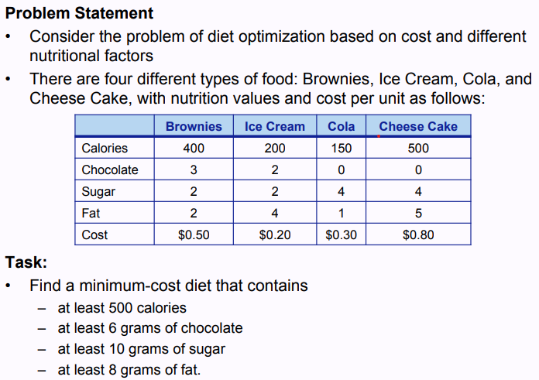

Decion Variables | Var Name | X1 (Brownies) | X2 (Ice Cream) | X3 (Cola0 | X4 (Cheese Cake)
 | Var Value (Changing Values) | 0 | 3 | 1 | 0

Objective Function |  | 0.5 | 0.2 | 0.3 | 0.8 |  | Min Cost | 0.9

Constraints |  |  |  |  |  | LHS | Sign | RHS
 | C1: Calories | 400 | 200 | 150 | 500 | 750 | >= | 500
 | C2: g of Chocolate | 3 | 2 | 0 | 0 | 6 | >= | 6
 | C3: g of Sugar | 2 | 2 | 4 | 4 | 10 | >= | 10
 | C4: g of Fat | 2 | 4 | 1 | 5 | 13 | >= | 8

Variable Cells
 |  |  | Final | Reduced | Objective | Allowable | Allowable
 | Cell | Name | Value | Cost | Coefficient | Increase | Decrease
 | $P$4 | Var Value (Changing Values) X1 (Brownies) | 0 | 0.275 | 0.5 | 1E+30 | 0.275
 | $Q$4 | Var Value (Changing Values) X2 (Ice Cream) | 3 | 0 | 0.2 | 0.18333333333 | 0.05
 | $R$4 | Var Value (Changing Values) X3 (Cola0 | 1 | 0 | 0.3 | 0.1 | 0.3
 | $S$4 | Var Value (Changing Values) X4 (Cheese Cake) | 0 | 0.5 | 0.8 | 1E+30 | 0.5

Constraints
 |  |  | Final | Shadow | Constraint | Allowable | Allowable
 | Cell | Name | Value | Price | R.H. Side | Increase | Decrease
 | $T$11 | C1: Calories LHS | 750 | 0 | 500 | 250 | 1E+30
 | $T$12 | C2: g of Chocolate LHS | 6 | 0.025 | 6 | 4 | 2.8571428571
 | $T$13 | C3: g of Sugar LHS | 10 | 0.075 | 10 | 1E+30 | 4
 | $T$14 | C4: g of Fat LHS | 13 | 0 | 8 | 5 | 1E+30

Max Profit - Food startup
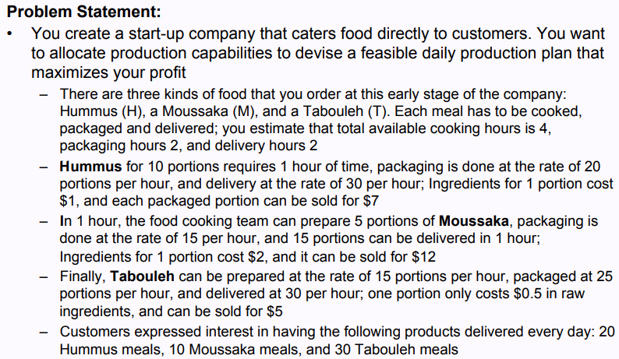

 | Decision Variables | Var Name | Humus | Mousasaka | Tabouleh
 |  | Var Value (Changing Variables) | 0 | 7.405297636 | 37.59612646

 | Objective Function |  | 6 | 10 | 4.5 |  | Max | 243.23554543

 | Constraints |  |  |  |  | LHS | Sign | RHS
 |  | C1: Cooking Hours | 0.1 | 0.2 | 0.067 | 4 | <= | 4
 |  | C2: Packing Hours | 0.05 | 0.067 | 0.04 | 2 | <= | 2
 |  | C3: Delivery Hours |  | 0.067 | 0.033 | 1.7368271148 | <= | 2
 |  | C4: Demand for Humus |  |  |  | 0 | <= | 20
 |  | C5: Demand for Mousakka |  |  |  | 0 | <= | 10
 |  | C6: Demand for Tabouleh |  |  |  | 0 | <= | 30

Variable Cells
 |  |  | Final | Reduced | Objective | Allowable | Allowable
 | Cell | Name | Value | Cost | Coefficient | Increase | Decrease
 | $Q$4 | Var Value (Changing Variables) Humus | 0 | -0.080888635716 | 6 | 0.080888635716 | 1E+30
 | $R$4 | Var Value (Changing Variables) Mousasaka | 7.405297636 | 0 | 10 | 3.4328358209 | 0.43692307692
 | $S$4 | Var Value (Changing Variables) Tabouleh | 37.59612646 | 0 | 4.5 | 1.4701492537 | 0.086060606061

Constraints
 |  |  | Final | Shadow | Constraint | Allowable | Allowable
 | Cell | Name | Value | Price | R.H. Side | Increase | Decrease
 | $T$11 | C1: Cooking Hours LHS | 4 | 28.054685275 | 4 | 1.9701492537 | 0.65
 | $T$12 | C2: Packing Hours LHS | 2 | 65.508402165 | 2 | 0.38805970149 | 0.66
 | $T$13 | C3: Delivery Hours LHS | 1.7368271148 | 0 | 2 | 1E+30 | 0.26317288522
 | $T$14 | C4: Demand for Humus LHS | 0 | 0 | 20 | 1E+30 | 20
 | $T$15 | C5: Demand for Mousakka LHS | 0 | 0 | 10 | 1E+30 | 10
 | $T$16 | C6: Demand for Tabouleh LHS | 0 | 0 | 30 | 1E+30 | 30

